Index
 |  |  | VALUATION MODEL OF LARSEN & TOUBRO LTD

 | Company Name | Larsen & Toubro Limited
 | Company Type | Public Limited
 | Headquarters | Mumbai, India
 | Founder | Henning holck-Larsen
 |  | Soren Kristian Toubro

 | Sheet No. | Sheet Name | Link to the Sheet
 | 1 | Index | Index
 | 2 | Overview | Overview
 | 3 | Comparative Company Analysis | Comparative
 | 4 | Ratio Analysis | Ratios
 | 5 | Income Statement | IS
 | 6 | Balance Sheet | BS
 | 7 | Cash Flow Statement | CFS
 | 8 | Drivers of the Model | Drivers
 | 9 | Property, Plant & Equipment | PPE
 | 10 | Financing Plan | FP
 | 11 | Working Capital | WC
 | 12 | Weighted Average Cost of Capital | WACC
 | 13 | Discounted Cash Flow Model | DCF
 | 14 | Income Statement (Source) | (IS)
 | 15 | Balance Sheet (Source) | (BS)
 | 16 | Regression and Other Data (Source) | Regression and other Data
 | 17 | Dashboard Raw Data | (Dashboard Data)

Overview
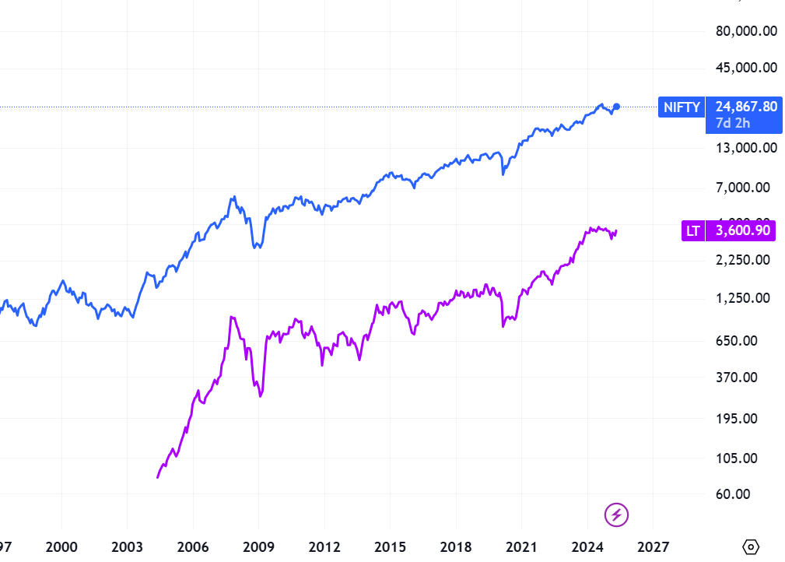
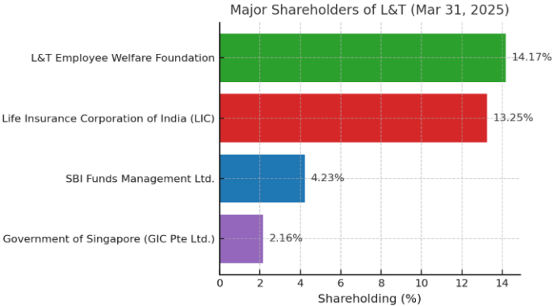
Overview |  |  |  |  |  |  |  |  |  |  |  | Index

 | Company Data |  | Financial Snapshot (Rs. Cr) | 2024-01-08 | 2025-01-09 | 2026-01-11 | 2027-01-13 | Ratios | 2024-01-08 | 2025-01-09 | 2026-01-11 | 2027-01-13
 | Market Cap (Rs. Cr) | 495,665 | Sales | ₹ 225,271 | ₹ 249,394 | ₹ 283,278 | ₹ 323,759 | EBITDAM (%) | 13% | 7% | 7% | 6%
 | Outstanding Shares (Cr.) | 137.5 | EBITDA | ₹ 27,652 | ₹ 17,676 | ₹ 19,120 | ₹ 19,977 | NPM (%) | 7% | 3% | 3% | 3%
 | Current Market Price (Rs.) | 3,600 | PAT | ₹ 15,570 | ₹ 6,535 | ₹ 8,338 | ₹ 9,666 | Debt/ Equity (x) | 0.6x | 0.5x | 0.4x | 0.3x
 | 52 Weeks High--- Low (Rs.) | 3,964/ 2,965 | EPS | ₹ 113 | ₹ 48 | ₹ 61 | ₹ 70 | ROE (%) | 15% | 6% | 7% | 8%
 | Enterprise Value (Rs.) | 605,109 |  |  |  |  |  | ROCE(%) | 15% | 8% | 10% | 11%
 | Book Value (Rs. Cr.) | 710
 | Beta | 1.23
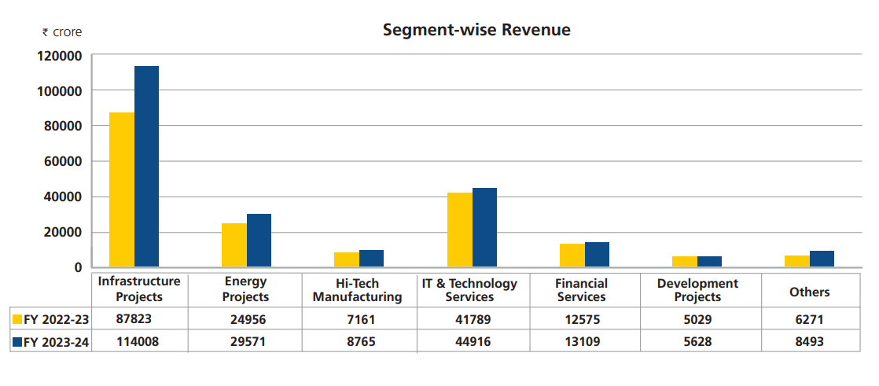
 | Face Value (Rs.) | 2 | Share Price Movement (Nifty Vs L&T Ltd)

Dashboard Raw Data
Revenue Over The Period
 |  |  |  |  |  | Index
Year | Revenue Amount
2020A | ₹ 145,452
2021A | ₹ 135,979
2022A | ₹ 156,521
2023A | ₹ 183,341
2024A | ₹ 221,113
2025A | ₹ 249,858
2026A | ₹ 284,838
2027A | ₹ 327,563
2028A | ₹ 379,973
2029A | ₹ 444,569

Year | Gross Margin (%) | EBITDA Margin (%) | EBIT Margin (%) | EBT Margin (%) | Net Profit Margin (%)
2020A | 35% | 13% | 11% | 9% | 7%
2021A | 39% | 14% | 12% | 6% | 3%
2022A | 38% | 13% | 11% | 9% | 7%
2023A | 38% | 13% | 11% | 9% | 7%
2024A | 36% | 13% | 11% | 9% | 7%
2025A | 33% | 7% | 5% | 4% | 3%
2026A | 33% | 7% | 5% | 4% | 3%
2027A | 32% | 6% | 5% | 4% | 3%
2028A | 32% | 6% | 4% | 4% | 3%
2029A | 31% | 5% | 4% | 4% | 3%

